Glover Shot Chart
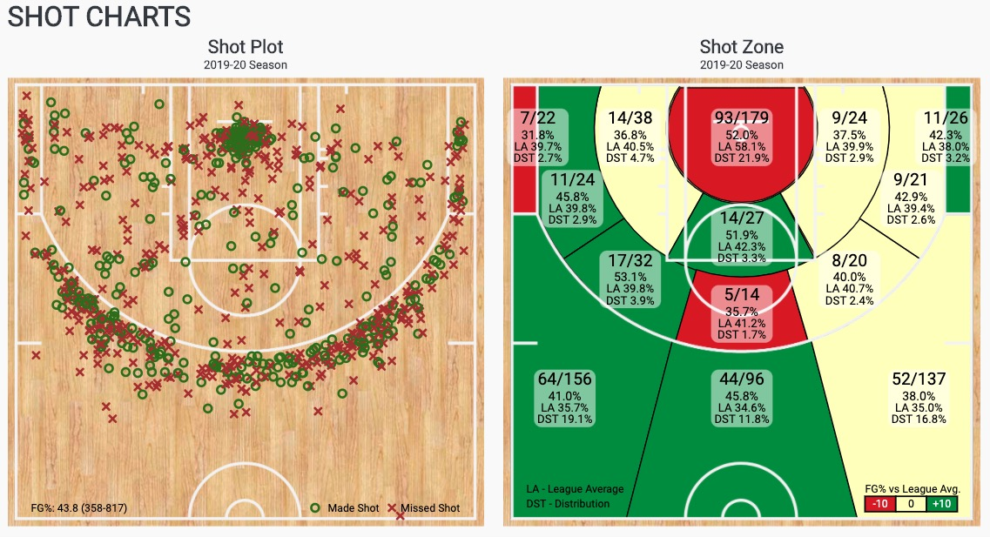
Danny Glover

Meyers Shot Chart
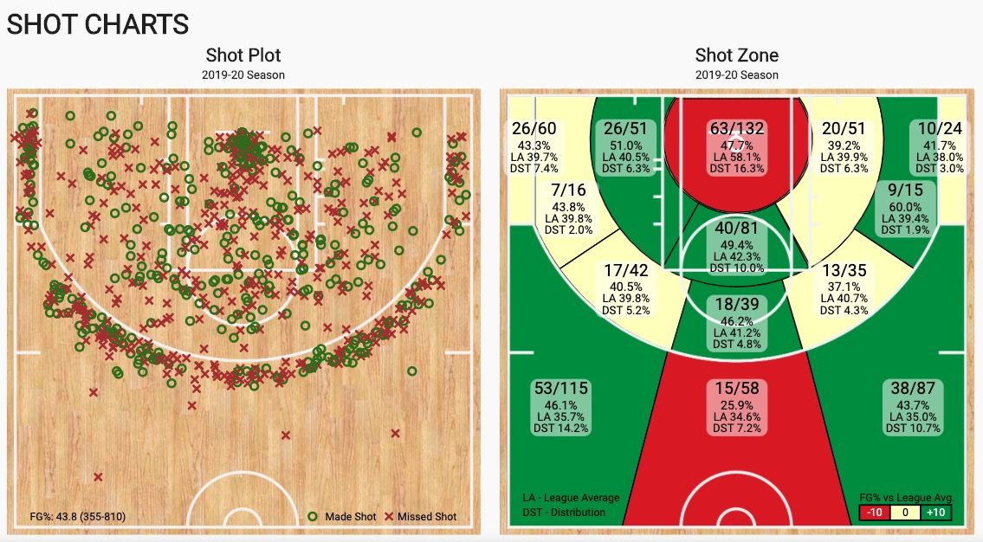
Mike Meyers

Bowie Shot Chart
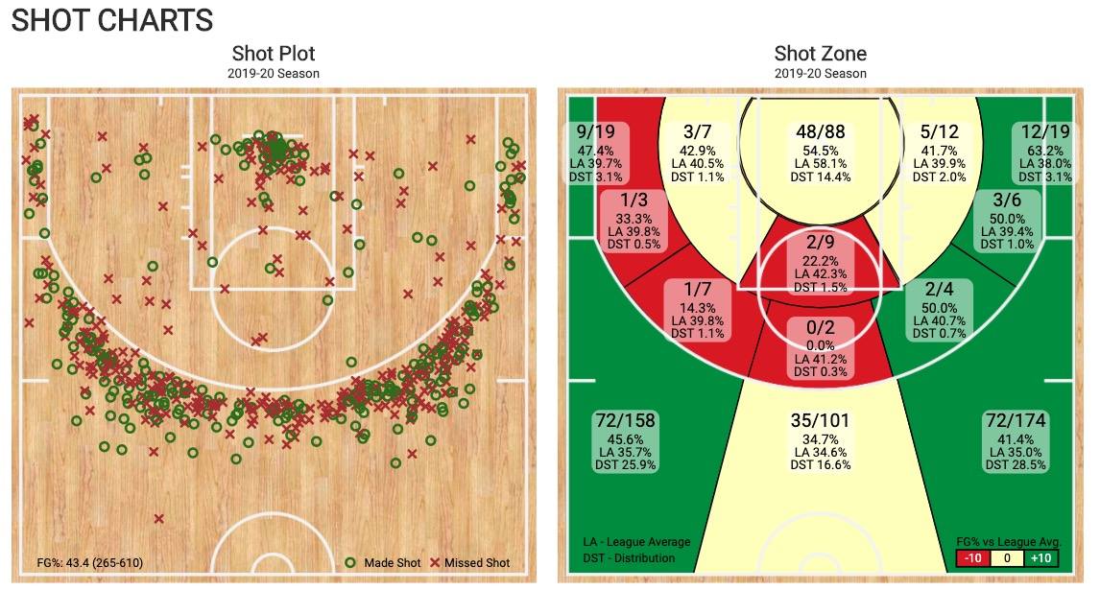
David Bowie

